Hasnaa Rabie
ID | Related Test Case | Description | Preconditions | Data To Reproduce | Expected Result | Actual Result | Priority | Severity | Attachments | Assgined To | Status | Date | Detected by
Bug_Amazon_Registration_001 | TC_Amazon_Registration_002 | The user redirected to Authentication page and no Error massage appeared while he entered name contain special character | 1- Check internet connection of your device 2- Chrome browser installed successfully 3- URL should be accessible | 1- Name "Has&&" 2- Mobile "01156226082" 3- password "Has@1234" 4- confirm password "Has@1234" 5- click on Continue button | user couldn't go to the next page to complete registration successfully (An error message appear to explain the invalid name used) | the user re-directed to the next page to verify mobile number | Mediun | Minor | 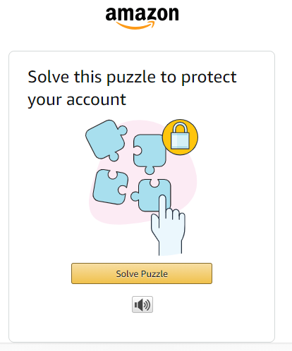 | Devlopment team | New | 27/2/2022 | Hasnaa Rabie
Bug_Amazon_Registration_002 | TC_Amazon_Registration_004 | The user redirected to Authentication page and no Error massage appeared while he entered invalid mobile number using Zero's only | 1- Check internet connection of your device 2- Chrome browser installed successfully 3- URL should be accessible | 1- Name "Hasnaa" 2- Mobile "000000000000" 3- password "Has@1234" 4- confirm password "Has@1234" 5- click on Continue button | user couldn't go to the next page to complete registration successfully (An error message appear to explain the invalid mobile number used) | the user re-directed to the next page to verify mobile number | High | Major | 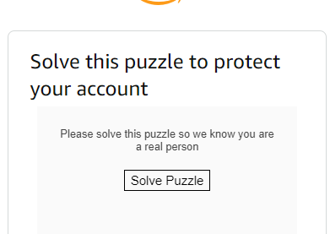 | Devlopment team | New | 27/2/2022 | Hasnaa Rabie
Bug_Amazon_Registration_003 | TC_Amazon_Registration_008 | The user redirected to Authentication page and no Error massage appeared while he entered a long password contains only number without any special character or letter | 1- Check internet connection of your device 2- Chrome browser installed successfully 3- URL should be accessible | 1- Name "Hasnaa" 2- Mobile "01156226082 " 3- password "123456789012345678901234567890 " 4- confirm password "123456789012345678901234567890" 5- click on Continue button | user couldn't go to the next page to complete registration successfully | the user re-directed to the next page to verify mobile number | Medium | Minor |  | Devlopment team | New | 27/2/2022 | Hasnaa Rabie
Bug_Amazon_Registration_004 | TC_Amazon_Registration_009 | The user redirected to Authentication page and no Error massage appeared while he entered a password contains only special character | 1- Check internet connection of your device 2- Chrome browser installed successfully 3- URL should be accessible | 1- Name "Hasnaa" 2- Mobile "01156226082 " 3- password "%%%&&& " 4- confirm password "%%%&&&" 5- click on Continue button | user couldn't go to the next page to complete registration successfully | the user re-directed to the next page to verify mobile number | Medium | Minor |  | Devlopment team | New | 27/2/2022 | Hasnaa Rabie

